Option Map
Call
Easiest to set up.
There are almost always a better strategy than simply writing calls

Bullish risk reversal
Two transactions
Cheap or net credit
Best for short squeeze candidate

Bullish

Bull call spreads
Two transactions
Net debit, but cheaper than just call
Capped gain

Bull ratio spreads
More than two transactions
Net debit or credit
perfect for M&A speculation or a turnaround story

Idea
Generation

Strap straddle & strangle
More than two transactions
Net debit
perfect for a move up, while hedging down. Ideal pre earning play

Put
One transaction
Net debit
Almost always a better strategy is available

Bearish
Bear call credit spreads
two transaction
Net credit or debit
perfect for short term dips

Bear ratio spreads
three transaction
Net credit or debit
Ideal for shorting cult like stocks like PLTR or TSLA

Strip straddle & strangle
three transaction
Net debit
Ideal for quick move down or pre earnings

two transaction
Net credit
unlimited downside, if the trade goes against you
Short straddle& strangle

Low Volatility

four transaction
Net credit
limited upside and limited downside
Butterfly

Iron Condor
four transaction
Net credit
limited upside and limited downside

Implied Volatility
 |  |  |  | Property of Bearbull Traders and Peak Capital Trading. Not to be distributed

Black Scholes Model

 | Model integrity
 | Black | Hard coded formula, do not change
 | Blue | It’s a variable you can change
 |  |  |  |  |  |  |  |  |  |  |  |  |  |  |  |  |  |  | call
 |  |  |  |  |  |  |  |  |  |  |  |  |  |  |  |  |  |  | put

 |  | Parameters
 |  |  | Insert ticker below | ticker | Price
 |  | Spot Price |  | TSLA | $660.50
 |  | Type of contract |  |  | call
 |  | Strike Price |  |  | $700
 |  | Type of risk free rate |  |  | LIBOR
 |  | Risk Free Rate |  |  | 0.13%
 |  | Implied Volatility |  |  | 55%
 |  | Expiry date (mm/dd/yyyy) |  |  | 2021-09-09
 |  | Days to expiry |  |  | 51
 |  | Time to Maturity |  |  | 0.140
 |  | Dividend Yield |  |  | 0.00%
 |  | Model's call price |  |  | $38.189

Price probability based on TTM of the option
 |  |  | Model Price based on defined volatility
 |  |  | Call | $38.19
 |  |  | Put | $77.56

 |  |  | Black Scholes Inputs
 |  |  | d1 | -0.17884167464
 |  |  | d2 | -0.38443137109

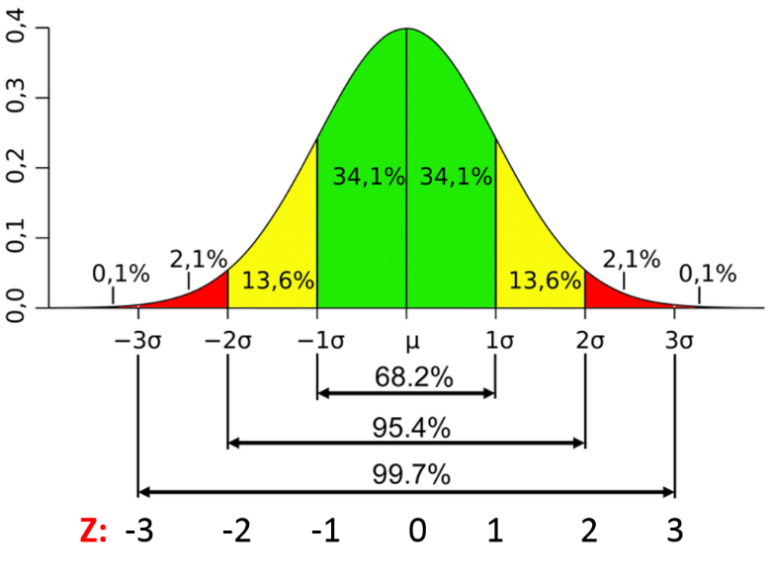

Option Probability lab based on IV
 |  |  |  |  |  |  |  |  |  |  |  |  | 68% probability |  | 95% probability |  | 97% probability
 |  |  |  |  |  |  |  |  |  | Time frame |  | Implied Volatility | Lower Bound | Upper bound | Lower Bound | Upper bound | Lower Bound | Upper bound
 |  |  |  |  |  |  |  |  |  | Annual Volatility |  | 55% | $297.22 | $1,023.78 | $(66.05) | $1,387.05 | $(429.33) | $1,750.33
 |  |  |  |  |  |  |  |  |  | Monthly volatility |  | 15.88% | $555.63 | $765.37 | $450.76 | $870.24 | $345.89 | $975.11
 |  |  |  |  |  |  |  |  |  | Weekly |  | 7.63% | $610.12 | $710.88 | $559.75 | $761.25 | $509.37 | $811.63
 |  |  |  |  |  |  |  |  |  | Daily |  | 3.44% | $637.80 | $683.20 | $615.09 | $705.91 | $592.39 | $728.61
 |  |  |  |  |  |  |  |  |  | Option time to maturity |  | 24.5% | $498.36 | $822.64 | $336.21 | $984.79 | $174.07 | $1,146.93

 |  |  |  |  |  |  |  |  |  |  |  |  |  | low | low | high | high
 |  |  |  |  |  |  |  |  |  |  |  |  | 68% Probability | $498.36 | $498.36 | $822.64 | $822.64
 |  |  |  |  |  |  |  |  |  |  |  |  | 95% Probability | $336.21 | $336.21 | $984.79 | $984.79
 |  |  |  |  |  |  |  |  |  |  |  |  | 97% Probability | $174.07 | $174.07 | $1,146.93 | $1,146.93

LIBOR
Treasury Yields

IIBOR

 | LIBOR | Current
 | Bond Buyer's 20 bond index | 2.040%
 | FNMA 30 yr Mtg Com del 60 days | 2.380%
 | 1 Month LIBOR Rate | 0.090%
 | 3 Month LIBOR Rate | 0.130%
 | 6 Month LIBOR Rate | 0.150%
 | Call Money | 2.000%
 | 1 Year LIBOR Rate | 0.240%

Treasury Yields

 | Date | 1 Mo | 2 Mo | 3 Mo | 6 Mo | 1 Yr | 2 Yr | 3 Yr | 5 Yr | 7 Yr | 10 Yr | 20 Yr | 30 Yr
 | 2021-07-08 | 0.05% | 0.05% | 0.05% | 0.05% | 0.09% | 0.25% | 0.47% | 0.89% | 1.24% | 1.48% | 2.01% | 2.07%
 | 2021-07-09 | 0.05% | 0.05% | 0.05% | 0.05% | 0.08% | 0.24% | 0.45% | 0.86% | 1.19% | 1.44% | 1.98% | 2.05%
 | 2021-07-10 | 0.05% | 0.05% | 0.05% | 0.06% | 0.07% | 0.22% | 0.42% | 0.81% | 1.13% | 1.37% | 1.92% | 2.00%
 | 2021-07-11 | 0.05% | 0.05% | 0.05% | 0.05% | 0.08% | 0.22% | 0.41% | 0.79% | 1.09% | 1.33% | 1.87% | 1.94%
 | 2021-07-12 | 0.06% | 0.05% | 0.06% | 0.06% | 0.07% | 0.19% | 0.37% | 0.74% | 1.06% | 1.30% | 1.84% | 1.91%
 | 2021-07-13 | 0.06% | 0.05% | 0.06% | 0.05% | 0.08% | 0.23% | 0.41% | 0.79% | 1.12% | 1.37% | 1.91% | 1.99%
 | 2021-07-14 | 0.05% | 0.05% | 0.05% | 0.06% | 0.08% | 0.23% | 0.43% | 0.81% | 1.13% | 1.38% | 1.93% | 2.00%
 | 2021-07-15 | 0.05% | 0.05% | 0.05% | 0.06% | 0.08% | 0.26% | 0.47% | 0.85% | 1.16% | 1.42% | 1.96% | 2.04%
 | 2021-07-16 | 0.06% | 0.05% | 0.06% | 0.05% | 0.08% | 0.23% | 0.44% | 0.80% | 1.11% | 1.37% | 1.91% | 1.98%
 | 2021-07-17 | 0.05% | 0.05% | 0.05% | 0.05% | 0.07% | 0.23% | 0.43% | 0.78% | 1.07% | 1.31% | 1.85% | 1.92%
 | 2021-07-18 | 0.05% | 0.05% | 0.05% | 0.05% | 0.08% | 0.25% | 0.43% | 0.79% | 1.08% | 1.31% | 1.86% | 1.93%
 | 2021-07-19 | 0.05% | 0.05% | 0.05% | 0.06% | 0.08% | 0.20% | 0.37% | 0.69% | 0.98% | 1.23% | 1.79% | 1.88%

Resources

Info on Dividend |  | www.dividend.com
Real time LIBOR |  | https://www.bankrate.com/rates/interest-rates/libor.aspx
Daily Treasury Yields |  | https://www.treasury.gov/resource-center/data-chart-center/interest-rates/Pages/TextView.aspx?data=yield
CBOE for option pricing |  | https://www.cboe.com/delayed_quotes

Volatility Example
Volatility Example

 |  |  | Option 1 Pay out |  | Option 2 Payout
 | Option 1 | Option 2 | Payout | 30 | Payout | 90 | 10 |  | Option 1 | Option 2
1 | 30 | 90 | Probability | 100% | Probability | 25% | 75% | 1 | 30 | 90
2 | 30 | 10 | Expected Payout | 30 | Expected Payout | 30 |  | 2 | 60 | 100
3 | 30 | 10 |  |  |  |  |  | 3 | 90 | 110
4 | 30 | 10 |  |  |  |  |  | 4 | 120 | 120
5 | 30 | 10 |  |  |  |  |  | 5 | 150 | 130
6 | 30 | 90 |  |  |  |  |  | 6 | 180 | 220
7 | 30 | 10 |  |  |  |  |  | 7 | 210 | 230
8 | 30 | 10 |  |  |  |  |  | 8 | 240 | 240
9 | 30 | 10 |  |  |  |  |  | 9 | 270 | 250
10 | 30 | 90 |  |  |  |  |  | 10 | 300 | 340
11 | 30 | 10 |  |  |  |  |  | 11 | 330 | 350
12 | 30 | 90 |  |  |  |  |  | 12 | 360 | 440
13 | 30 | 90 |  |  |  |  |  | 13 | 390 | 530
14 | 30 | 90 |  |  |  |  |  | 14 | 420 | 620
15 | 30 | 10 |  |  |  |  |  | 15 | 450 | 630
16 | 30 | 90 |  |  |  |  |  | 16 | 480 | 720
17 | 30 | 90 |  |  |  |  |  | 17 | 510 | 810
18 | 30 | 90 |  |  |  |  |  | 18 | 540 | 900
19 | 30 | 10 |  |  |  |  |  | 19 | 570 | 910
20 | 30 | 90 |  |  |  |  |  | 20 | 600 | 1000
21 | 30 | 90 |  |  |  |  |  | 21 | 630 | 1090
22 | 30 | 90 |  |  |  |  |  | 22 | 660 | 1180
23 | 30 | 90 |  |  |  |  |  | 23 | 690 | 1270
24 | 30 | 10 |  |  |  |  |  | 24 | 720 | 1280
25 | 30 | 10 |  |  |  |  |  | 25 | 750 | 1290
26 | 30 | 90 |  |  |  |  |  | 26 | 780 | 1380
27 | 30 | 90 |  |  |  |  |  | 27 | 810 | 1470
28 | 30 | 90 |  |  |  |  |  | 28 | 840 | 1560
29 | 30 | 10 |  |  |  |  |  | 29 | 870 | 1570
30 | 30 | 90 |  |  |  |  |  | 30 | 900 | 1660

